L8A1
EE417 Advanced Digital Logic with Verilog HDL |  | Name: Ron Kalin / Lamin Jammeh |  |  | Date: 07/03/24
Lesson 8 | Universal Asynchronous Receiver Transmitter
One of the widely used communication protocols is the UART (Universal Asynchronous Receiver Transmitter). The book pages 388 - 399 have detailed information about UART receiver. Translate the code into a block diagram that includes the DataPath and the Controller modules. Based on the Controller code sketch the state graph of the FSM, and based on the DataPath design, sketch the internal registers, the dataflow through them and what control signals they wait for to complete a data transmission or state transition.

The main objective of this assignment is to understand how the UART receiver works.

Block Diagram
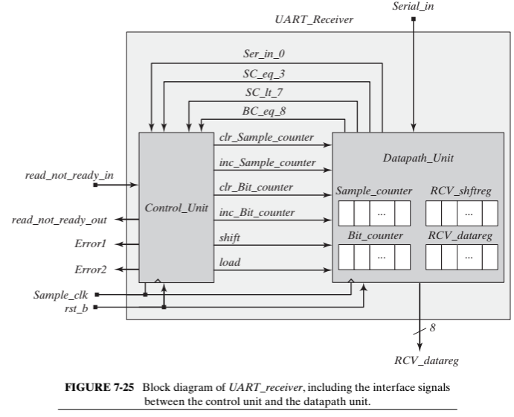

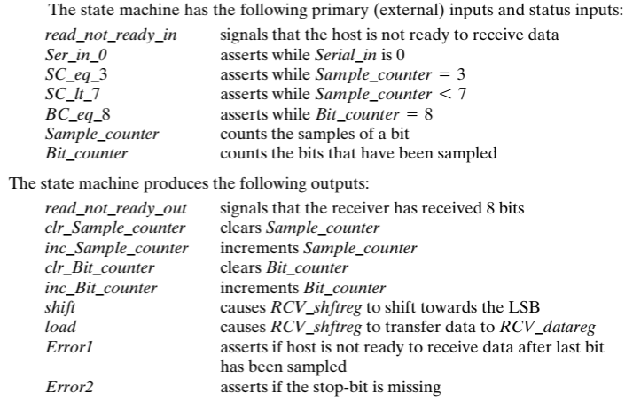

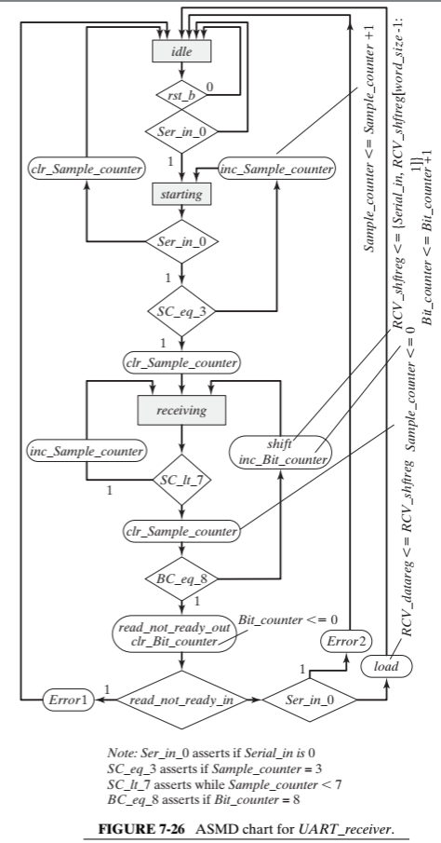
ASMD Flow chart -Controller Rx |  |  | FSM Diagram for Controller Rx- read directly from ASMD graph
 |  |  | · green text indicates this will be sent to Rx Datapath
 |  |  | · blue text indicates input or internal to the Rx Controller
 |  |  | · red text indicates output to the Transmitter (Tx)

 |  |  |  | idle |  | rst_b=0
 |  |  |  |  |  | rst_b==0 | Ser_in_0==0
 |  |  | clr_Sample_counter=0
 |  |  | Ser_in_0==0

 |  |  |  | starting |  | SC_eq_3==0
 |  |  |  |  |  | inc_Sample_counter=0

 |  |  | SC_lt_7==0
 |  |  | clr_Sample_counter=0
 |  |  | BC_eq_8==1
 |  |  | read_not_ready_out=1 |  | Ser_in_0==1
 |  |  | clr_Bit_counter=1 |  | SC_eq_3==1
 |  |  | read_not_ready_in==1 |  | clr_Sample_counter=0
 |  |  | Error1=1

 |  |  |  | receiving
 |  |  |  |  | SC_lt_7==0
 |  |  | SC_lt_7==1 |  | clr_Sample_counter=0
 |  |  |  |  | BC_eq_8==0
 |  |  |  |  | shift=1
 |  |  |  |  | inc_Bit_counter=1
 |  |  |  |  |  |  |  | SC_lt_7==0
 |  |  | SC_lt_7==0 |  |  |  |  | clr_Sample_counter=0
 |  |  | clr_Sample_counter=0 |  |  |  |  | BC_eq_8==1
 |  |  | BC_eq_8==1 |  |  |  |  | read_not_ready_out=1
 |  |  | read_not_ready_out=1 |  |  |  |  | clr_Bit_counter=1
 |  |  | clr_Bit_counter=1 |  |  |  |  | read_not_ready_in==0
 |  |  | read_not_ready_in==0 |  |  |  |  | Ser_in_0==0
 |  |  | Ser_in_0==1 |  |  |  |  | load=1
 |  |  | Error2=1

Datapath Register Diagram
DataPath register data is read directly from the given ASMD graph (flowchart similar graph).
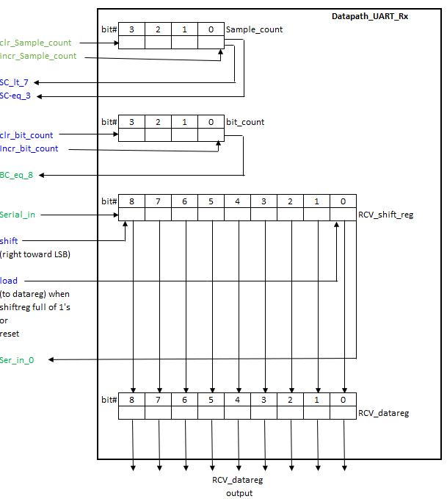

Design Verilog HDL Code -
The code for the top module, controller, and DataPath is given in the textbook. Comments included to follow and show understanding of functionality.
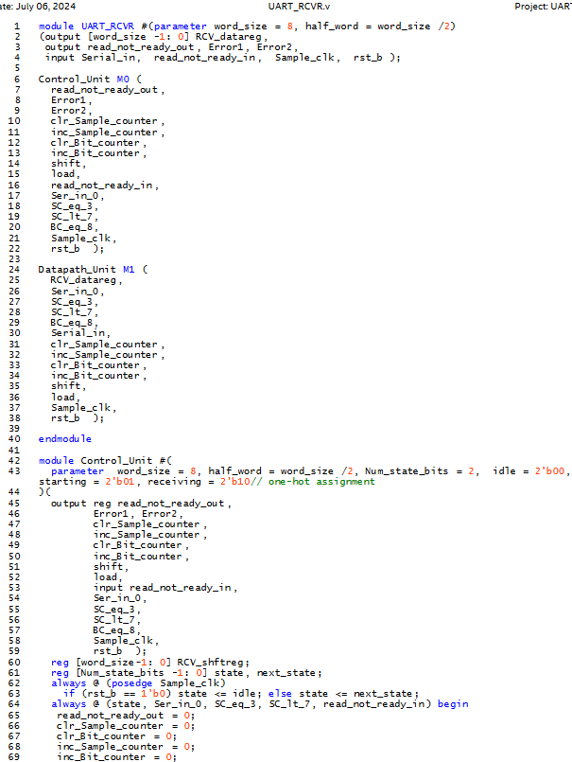

 |  |  |  |  |  |  |  |  |  |  | word1, word2,
 |  |  |  |  |  |  |  |  |  |  | clk, rst);

 |  |  |  |  |  |  |  |  |  | final_product <= 0;
 |  |  |  |  |  |  |  |  |  | Ready <= 1; end//ready high= accept input words

 |  |  |  |  |  |  |  |  |  | product <= 0; //mult gets value word2
 |  |  |  |  |  |  |  |  |  | final_product <= 0; //prod and final_prod=0
 |  |  |  |  |  |  |  |  |  | Ready <= 0; end//ready low means calculate
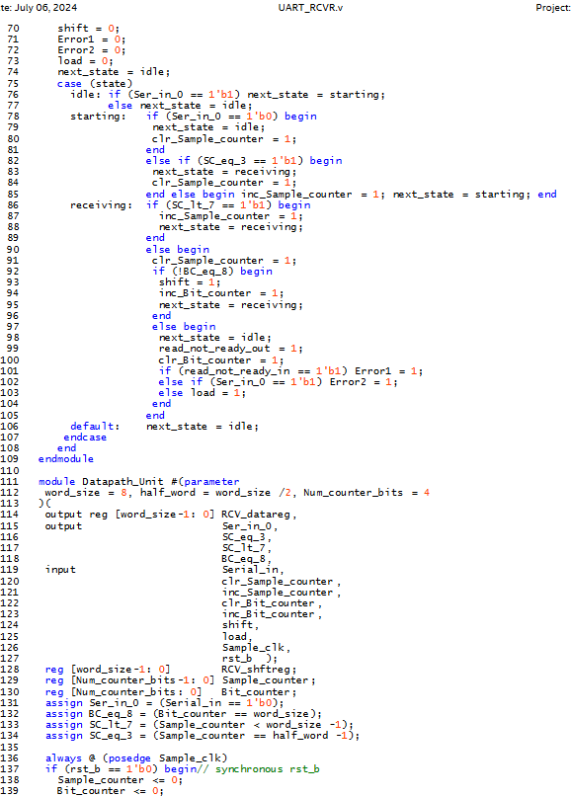

 |  |  |  |  |  |  |  |  |  | Ready <= 0; end

RTL Viewer
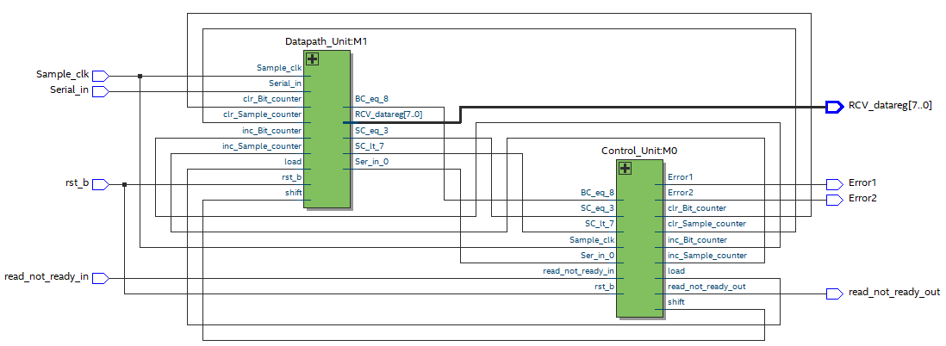

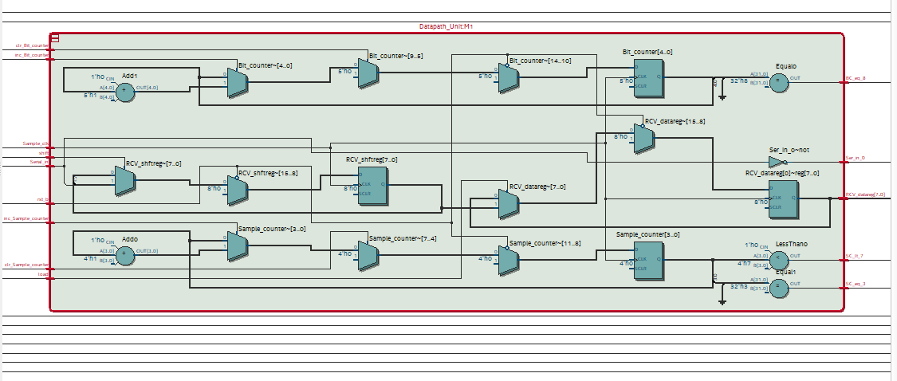

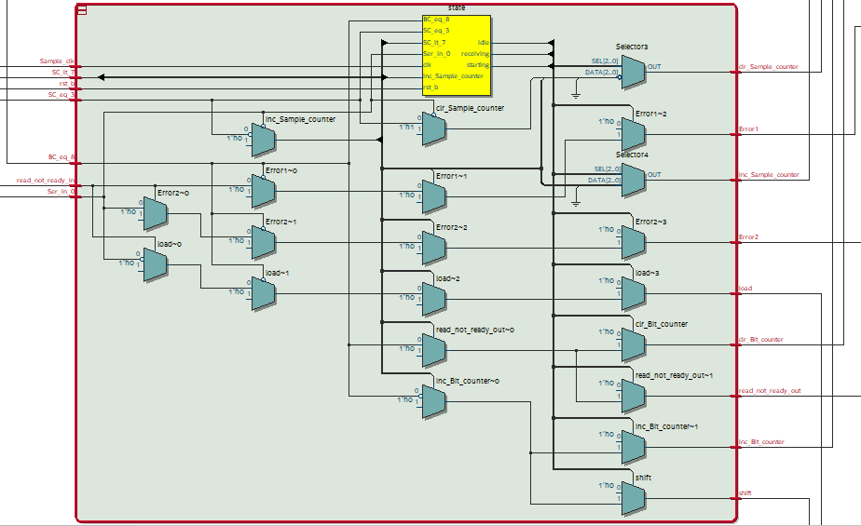

Testbench Verilog HDL Code
create the testbench code to obtain the correct simulation results given in the book.
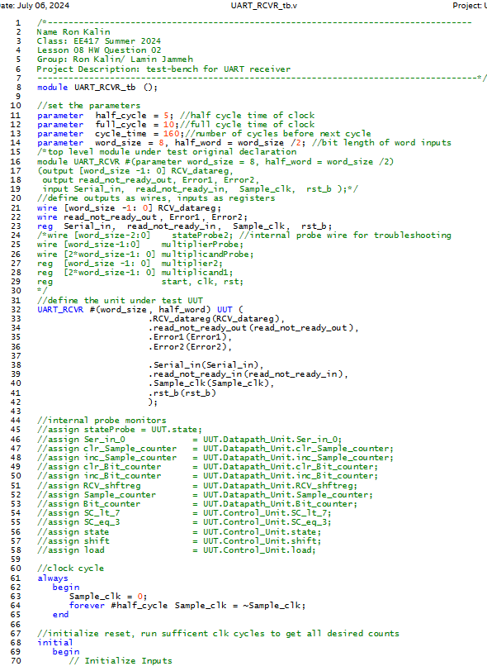

 |  |  |  |  |  |  |  |  |  |  | word1, word2,
 |  |  |  |  |  |  |  |  |  |  | clk, rst);*/

 |  |  |  |  |  |  |  |  |  | multiplicand1, multiplier2,
 |  |  |  |  |  |  |  |  |  | clk, rst);

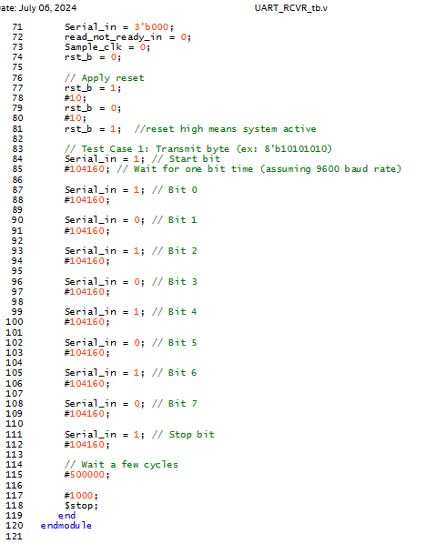

 |  |  |  |  |  |  |  |  | clk = ~clk;

RTL Simulation -from book
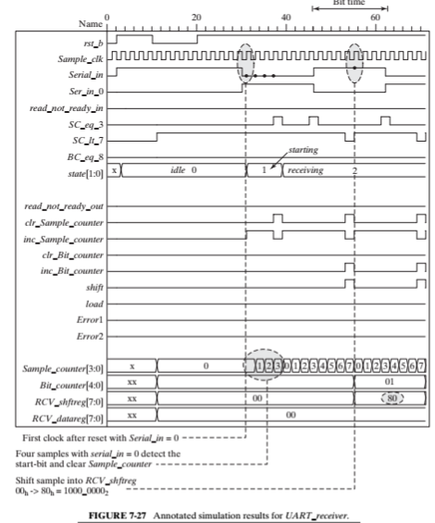

Times table below for a 4-bit multiplicand and multiplier

RTL Simulation -from Quartus

Conclusion
When reset is low, this simulation shows that Receiver takes a serial input and creates a word that can be a parallel output.
When the reset goes low the process resets.

